Аркуш1
 | Варіант 6
 | Завдання 1
 |  |  |  |  |  | A*cos3*p/3 = 1 |  | -1
 |  |  |  |  |  | A*(-1) = 1
 |  |  |  |  |  | A = 1/-1 | -1

 |  |  |  |  |  | F'(x) = f(x) = 3sin(3x)

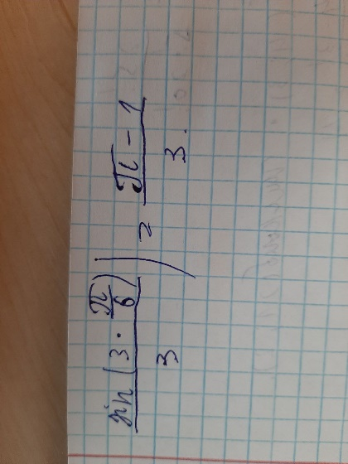
M(X) = | 0.71
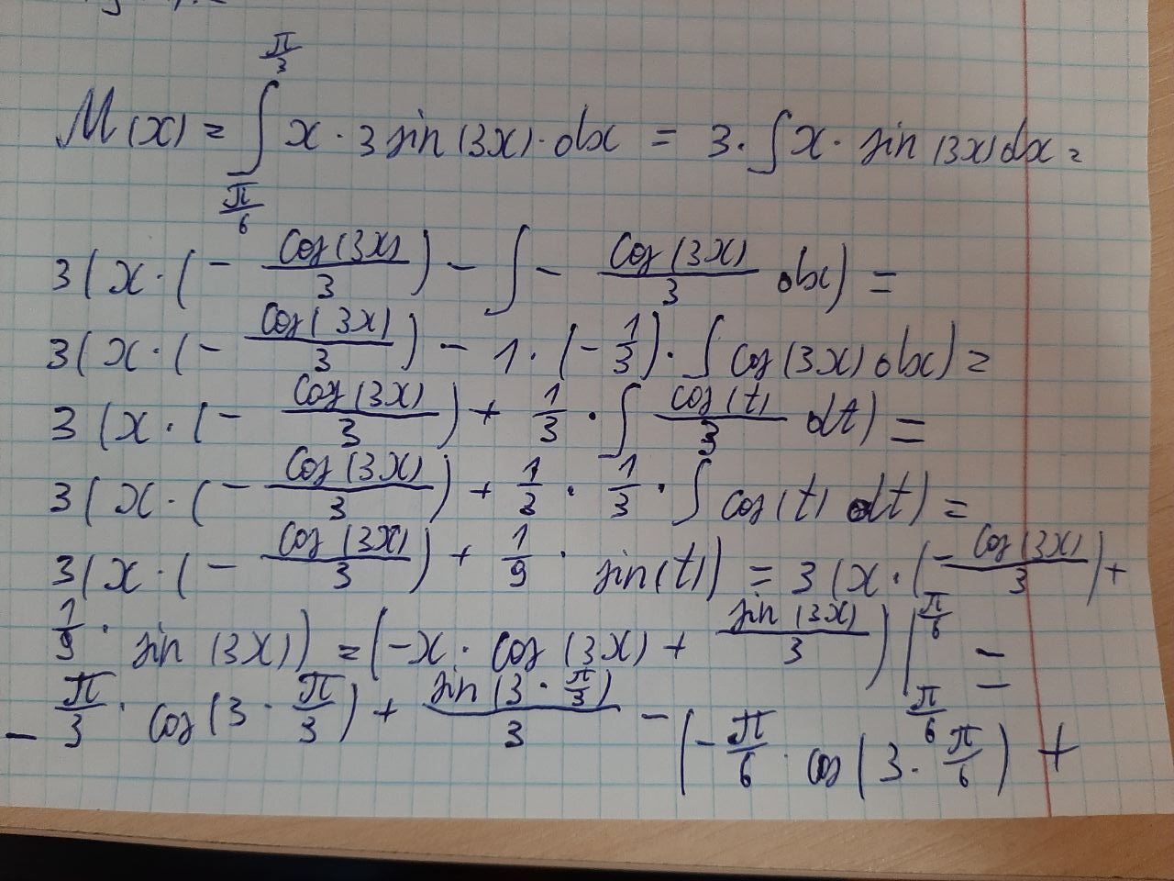

 |  |  |  |  |  |  | P(pi/6 < x < pi/4) = F(pi/4)-F(pi/6) = |  | 0.0867

 |  |  |  |  |  |  | X | 0.3927 | 0.4488 | 0.5236 | 0.6283 | 0.7854 | 1.0472 | 1.5708 | 3.1416
 |  |  |  |  |  |  | f(x) | 0 | 0 | 0 | 2.8532 | 2.1213 | 3.675E-16 | 1 | 1
 |  |  |  |  |  |  | F(x) | 0 | 0 | 0 | 0.30901699437 | 0.70710678119 | 1 | 1 | 1

F(x)/X
f(x)/X
M(X^2) = | 0.52533463861

D(X) = | 0.015732517066

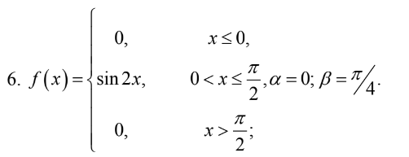

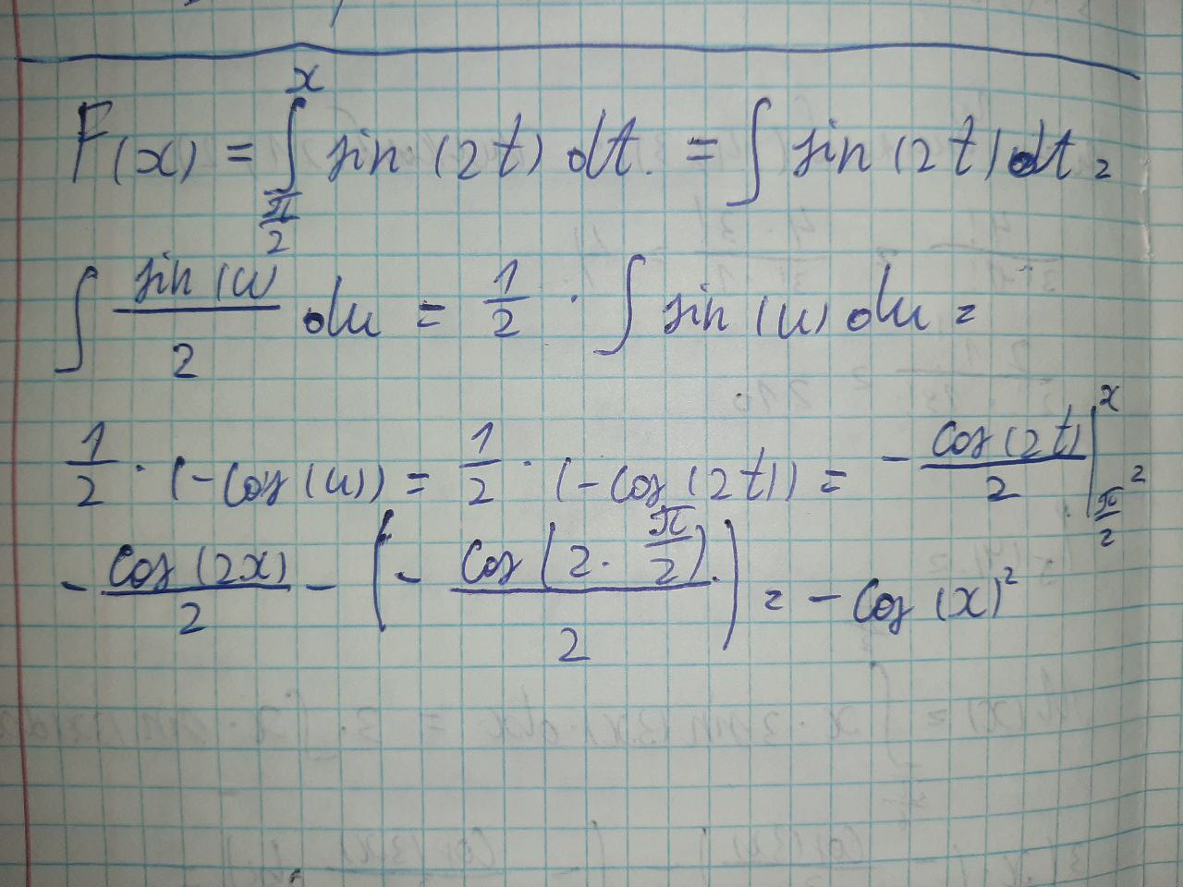
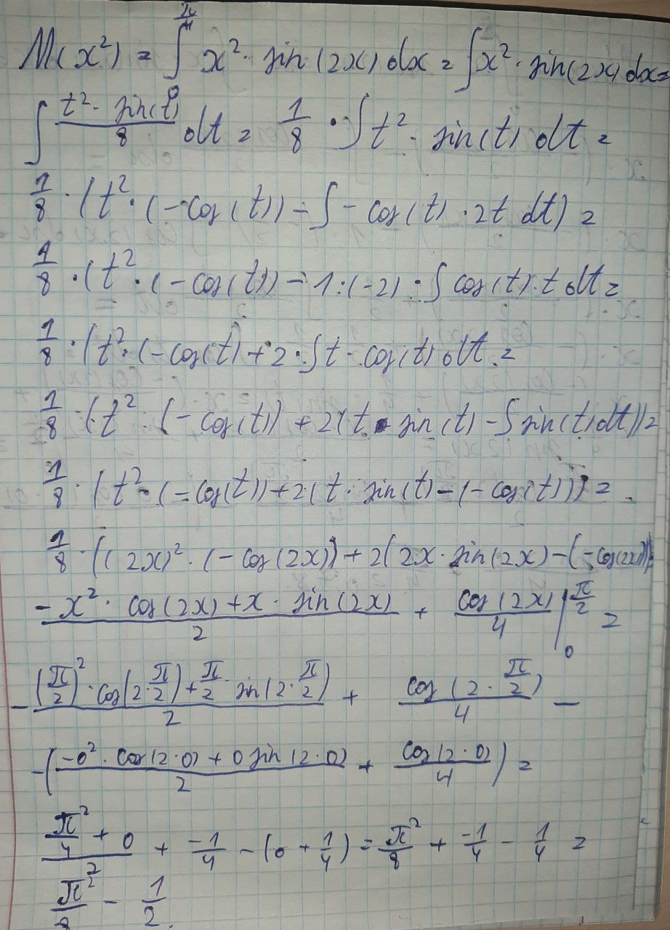

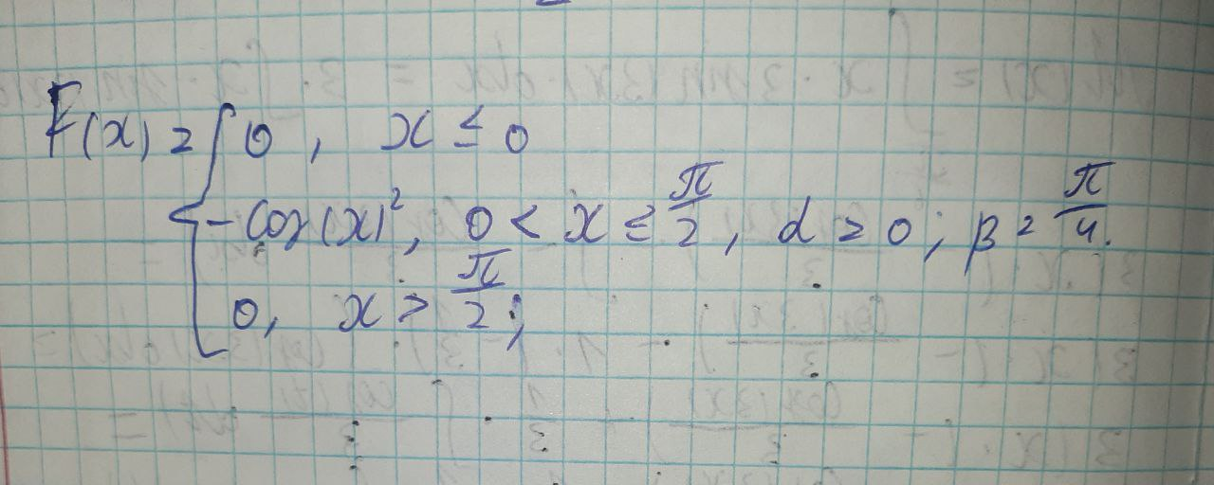

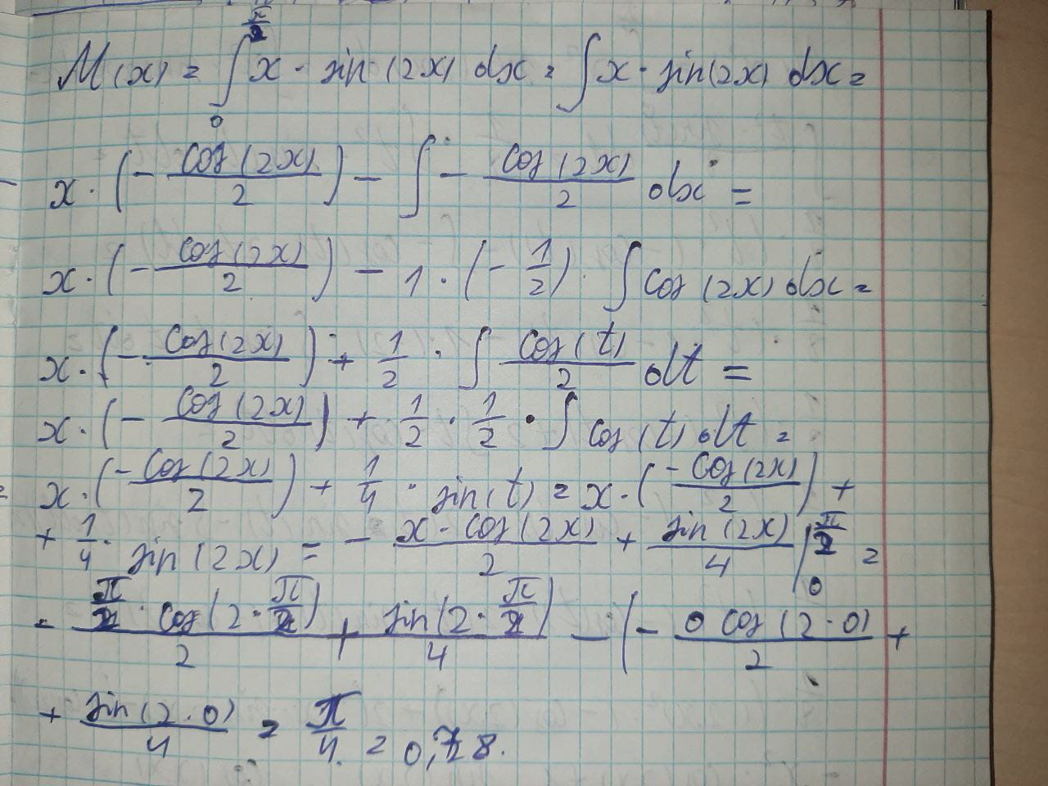
 |  |  |  |  |  |  |  |  |  |  | M(X) = | 0.7853981634
 |  |  |  |  |  |  |  |  |  |  | M(X^2) = | 0.73370055014
 |  |  |  |  |  |  |  |  |  |  | D(X) = | 0.11685027507

 |  |  |  |  |  |  |  |  |  |  | P(A0<X<П/4) = | Ф(0.79) - Ф(0) = | 0.29

 |  |  |  |  |  |  |  |  |  |  |  |  | 9.4247779608
 | X | -1 | 0 | 0.5 | 1 | 1.5707963268 | 3.1415926536 | 6.2831853072 | 3.1415926536 |  |  |  | 9.4247779608
 | f(x) | 0 | 0 | 0.84147098481 | 0.90929742683 | 1.2251484549E-16 | 0 | 0 | 0
 | F(x) | 0 | 0 | -0.96891242171 | -0.54030230587 | 0.78121189211 | 0 | 0 | 0

F(x)/X
f(x)/X

